Home Improvement Agreement
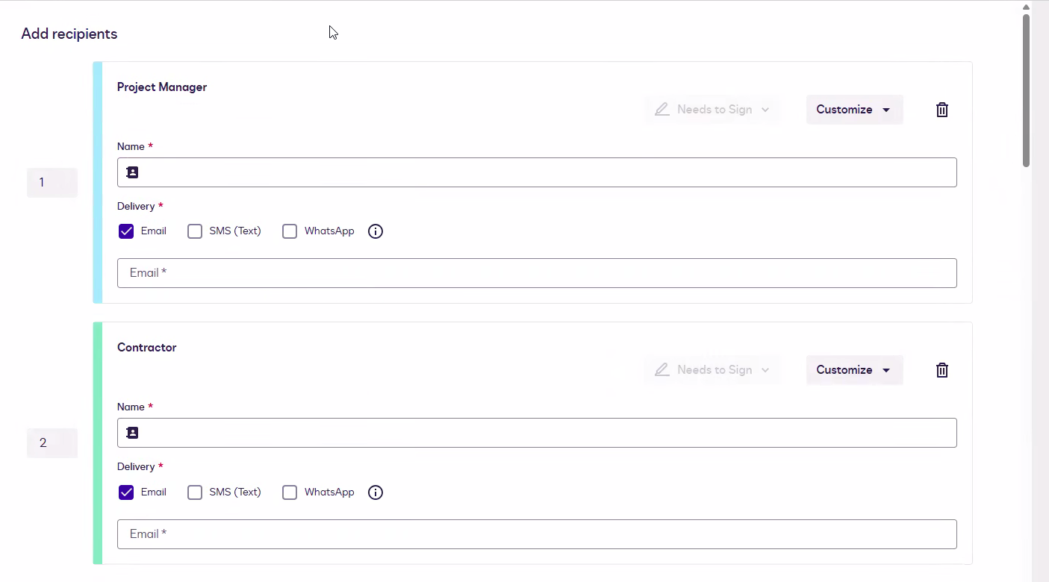

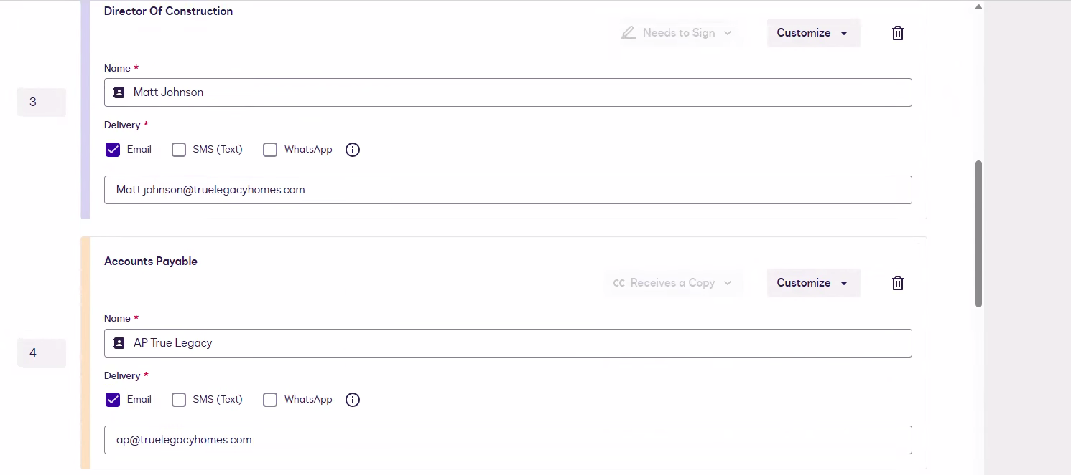

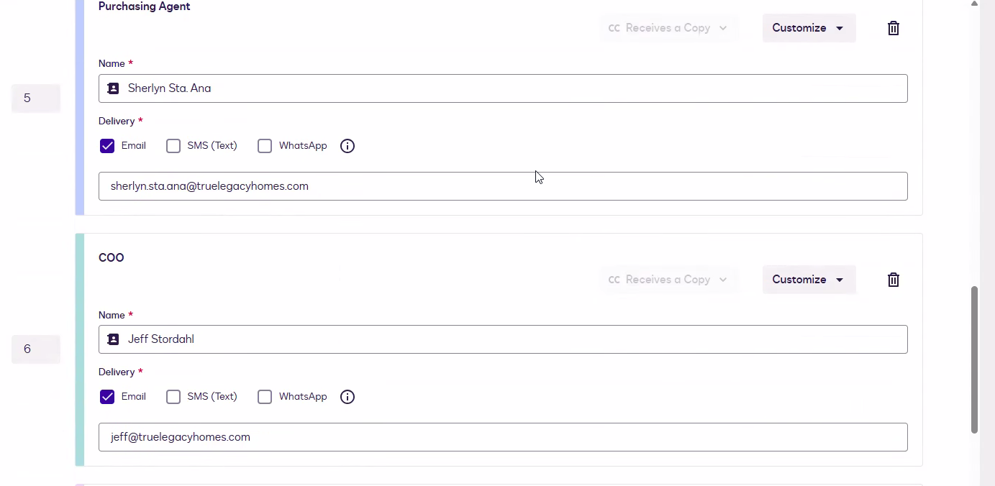

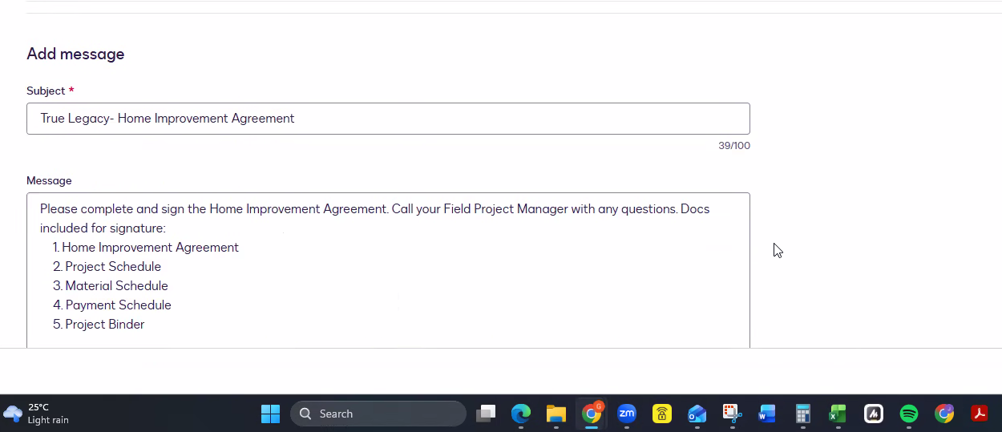

Please complete and sign the Home Improvement Agreement. Call your Field Project Manager with any questions. Docs included for signature:
1. Home Improvement Agreement
2. Project Schedule
3. Material Schedule
4. Payment Schedule
5. Project Binder

Page 1
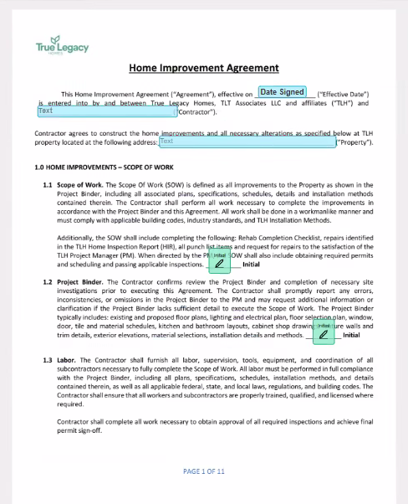

 |  |  | contractor name

 |  |  | contractor initial

 |  |  | contractor initial

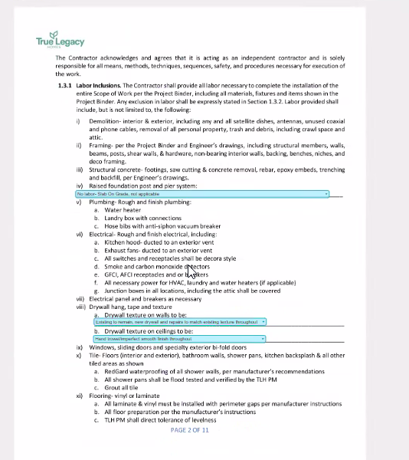

 | PM | No labor- Slab On Grade, not applicable | Existing to remain | Add post and piers as necessary to support proposed layout | Add post and piers as necessary to support proposed layout & replace failing post and piers, install T straps at all posts | Replace failing post and piers, install T straps at all post to girder connections | No labor- TLH shall hire and pay a separate subcontractor to complete all foundation repairs

 | PM | Existing to remain, new drywall and repairs to match existing texture throughout | Putty coat all existing walls, light orange peel finish throughout | Putty coat all existing walls, level 4 smooth wall finish throughout

 | PM | Hand trowel/imperfect smooth finish throughout | Existing to remain, new drywall and repairs to match existing texture throughout | Putty coat all existing ceilings, light orange peel finish throughout | Putty coat all existing ceilings, level 4 smooth finish throughout | Light orange peel throughout

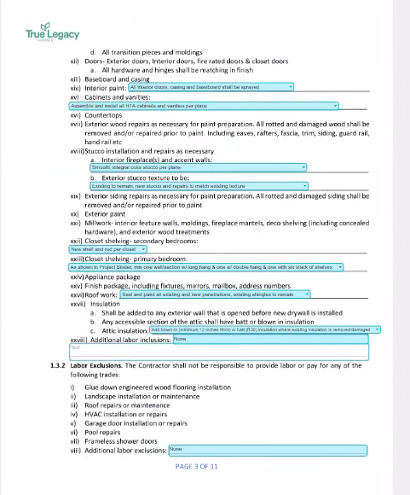

 | PM | All interior doors, casing and baseboard shall be sprayed | All interior doors, casing and baseboard can be sprayed or brushed

 | PM | Assemble and install all RTA cabinets and vanities per plans | Assemble and install all RTA cabinets and vanities per plans, custom cabinets installed by separate subcontractor | None- TLH shall hire and pay a separate subcontractor to complete all cabinet work

 | PM | Smooth, integral color stucco per plans | None- TLH shall hire and pay a separate subcontractor to complete all interior stucco work

 | PM | Existing to remain, new stucco and repairs to match existing texture | Smooth stucco per plans, repairs to match existing texture | None- TLH shall hire and pay a separate subcontractor to complete all exterior stucco work

 | PM | New shelf and rod per closet | Existing to remain, paint only

 | PM | As shown in Project Binder, min one wall/section w/ long hang & one w/ double hang & one with six stack of shelves | As shown in Project Binder | Existing to remain, paint only | None- TLH will hire and pay a separate subcontractor to build out custom closet
 | PM | Seal and paint all existing and new penetrations, existing shingles to remain | Seal and paint all existing and new penetrations, minor roof repairs as needed | None- TLH will hire and pay a separate subcontractor to complete all roof work

 | PM | Add blown-in (minimum 12 inches thick) or batt (R30) insulation where existing insulation is removed/damaged | All new blown-in insulation (minimum 12 inches thick) throughout | None- TLH will hire and pay a separate subcontractor to attic insulation work

 |  | None | PM

 |  | None | PM

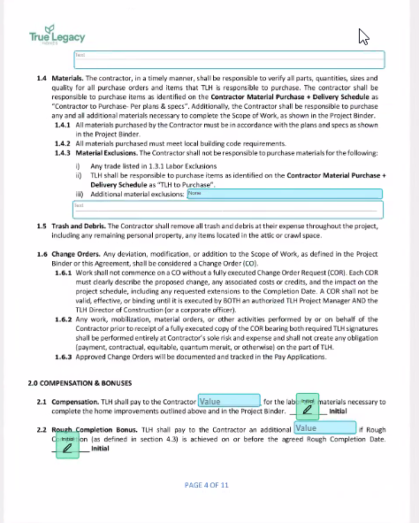

 |  | blank

 |  | None | PM

 |  | blank

 |  | Value | PM
 |  | contractor initial
 |  | Value | PM
 |  | contractor initial

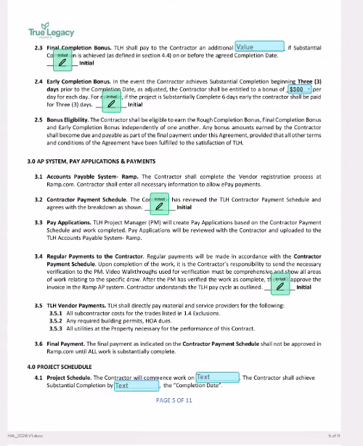

 |  | Value | PM

 |  | Contractor Initials

 |  | $300 | PM
 |  | Contractor Initials

 |  | Contractor Initials

 |  | Contractor Initials

 |  | Text | PM
 |  | Text | PM

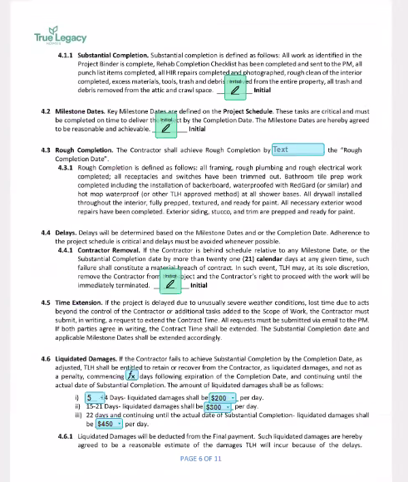

 |  | Initials | Contractor

 |  | Initials | Contractor

 |  | Text | PM

 |  | Initials | Contractor

 |  | Function is [LD Days] what is this?

 |  | prefilled amounts for PM

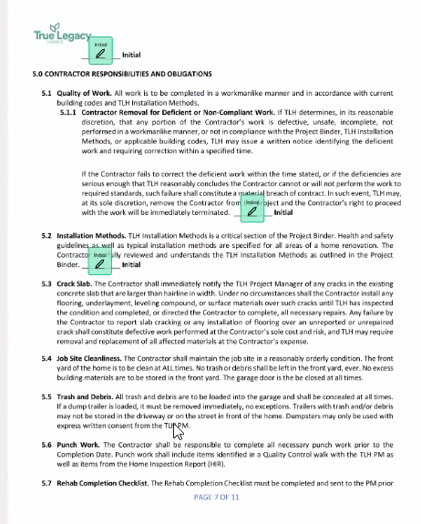

 |  | Initials | Contractor

 |  | Initials | Contractor

 |  | Initials | Contractor

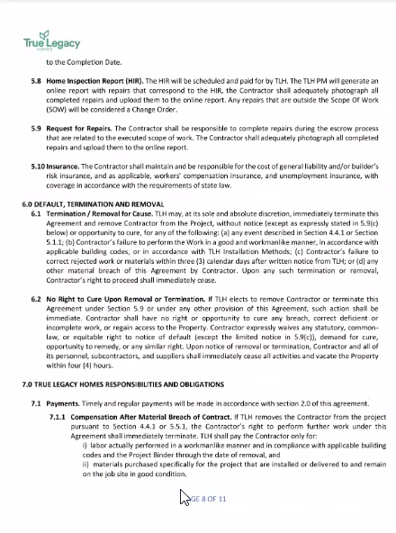

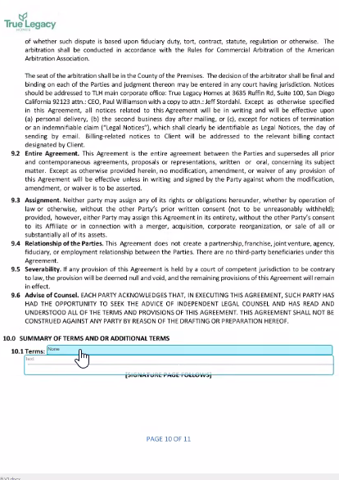

 | None | PM

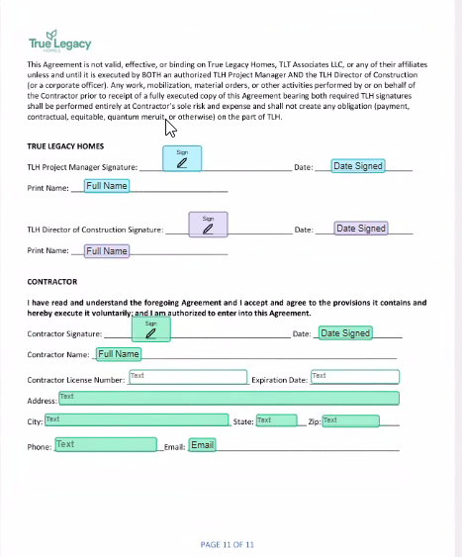

 |  | Sign/date/fullname | PM

 |  | Dir Construction

 |  | Contractor

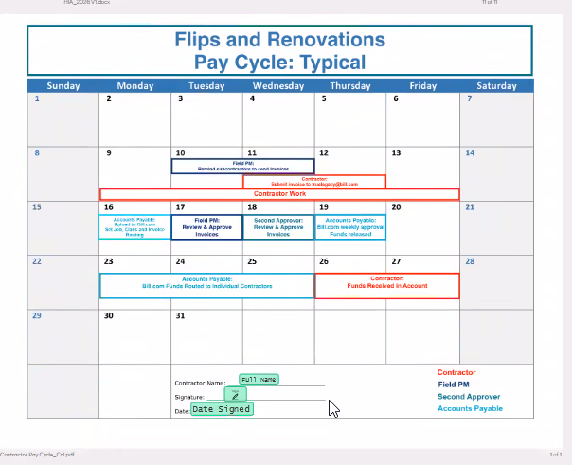
 |  |  | separate document

 |  |  | for contractor

Vendor Registration Package
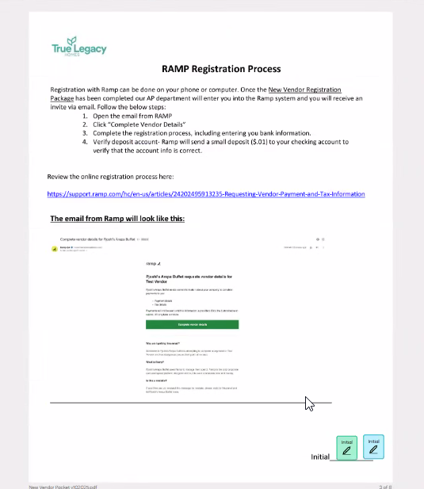
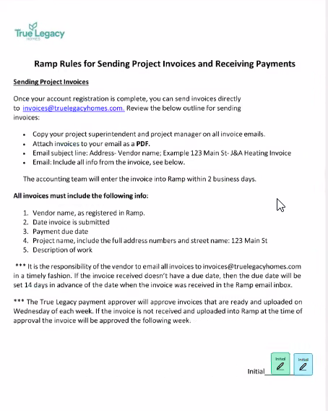
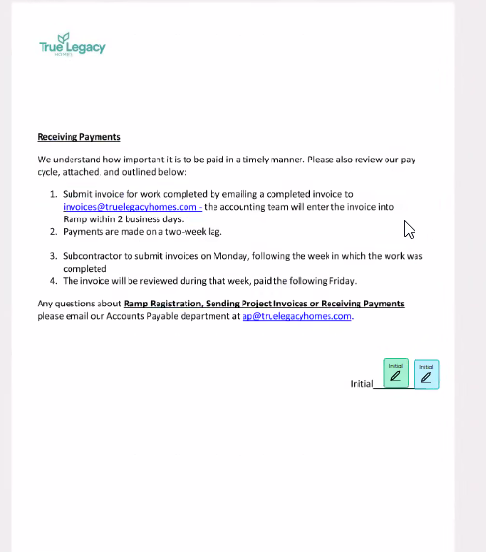
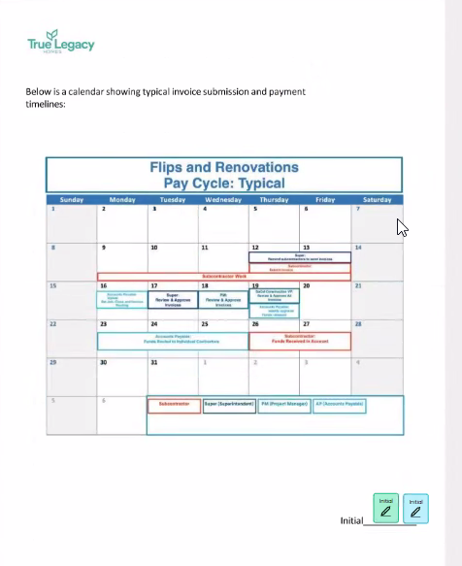
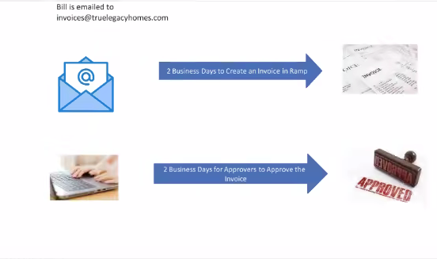
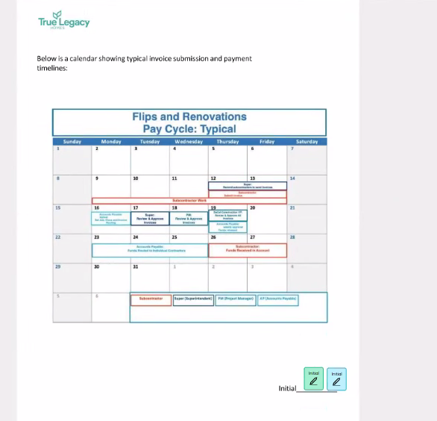
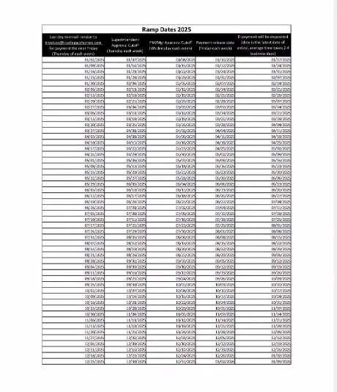
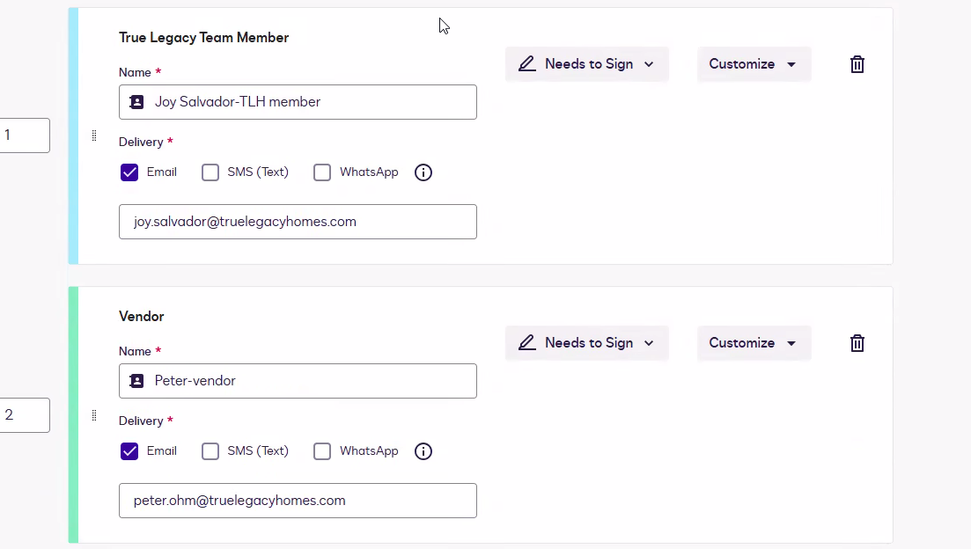

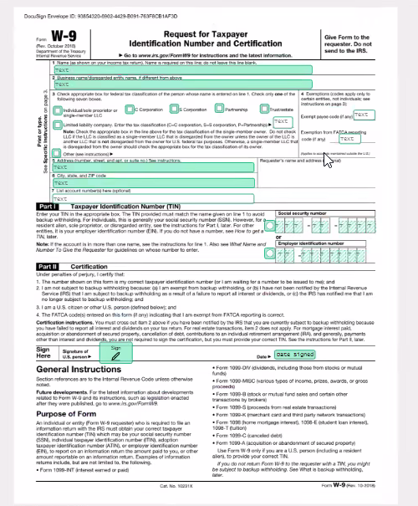

vendor will fill

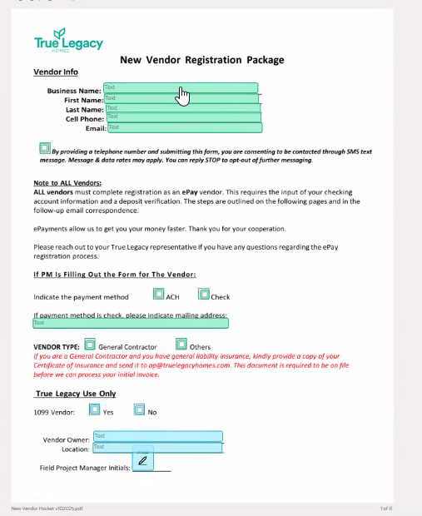

 | vendor

vendor

TLH Employee or vendors

